Sheet1
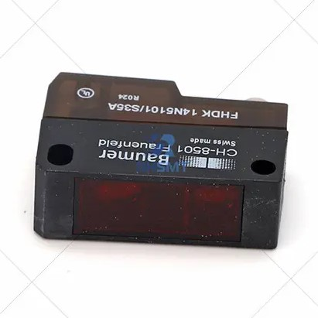 | Description | DEK Loader Sensor |  | Description
 | Part Number | 183388 |  | Part Number
 | Model | CH-8501 |  | Model
 | Url | https://www.rhsmt.com/dek-loader-sensor-ch-8501-183388-product/ |  | Url
 | FIH Part |  |  | FIH Part

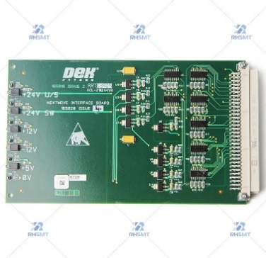
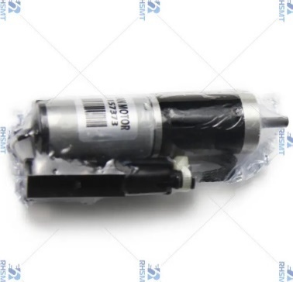 | Description | DEK Paper Clean Motor |  | Description | DEK NEXT MOVE INTERFACE BOARD – 185020
 | Part Number | 157373 |  | Part Number | 185020
 | Model |  |  | Model
 | Url | https://www.rhsmt.com/dek-paper-clean-motor-157373-product/ |  | Url | https://www.rhsmt.com/dek-next-move-interface-board-185020-product/
 | FIH Part |  |  | FIH Part

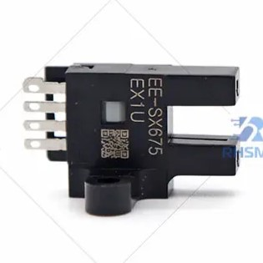 | Description | DEK SENSOR FORK 4W-OMRON EE-SX675 | 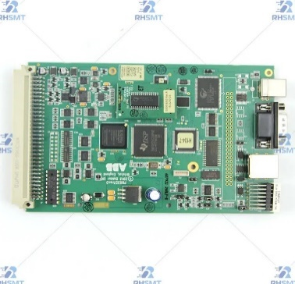 | Description | DEK CONTROLLER NEXT MOVE ES RoHS SPEC 193409 03129985
 | Part Number | 191650 |  | Part Number | 193409
 | Model |  |  | Model
 | Url | https://www.rhsmt.com/dek-sensor-fork-4w-omron-ee-sx675-191650-product/ |  | Url | https://www.rhsmt.com/dek-controller-next-move-es-rohs-spec-193409-03129985-product/
 | FIH Part |  |  | FIH Part

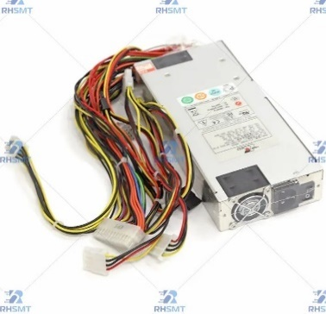 | Description | DEK PC POWER SUPPLY ROHS | 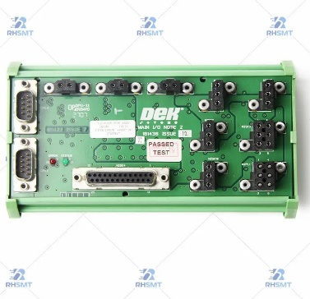 | Description | DEK Main I/O Node 2 Board AS-IS – 181436
 | Part Number | 03121184-01 |  | Part Number | 181436
 | Model |  |  | Model
 | Url | https://www.rhsmt.com/dek-pc-power-supply-rohs-03121184-01-product/ |  | Url
 | FIH Part |  |  | FIH Part

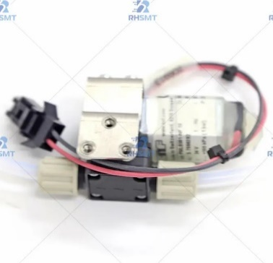 | Description | DEK BOM DIAPHRAGM SOLVENT PUMP | 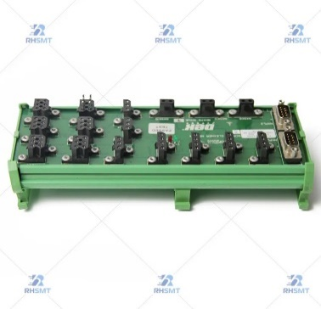 | Description | DEK SCREEN CLEANER – 185281
 | Part Number | 03130119-01; 205790 |  | Part Number | 185281
 | Model |  |  | Model
 | Url | https://www.rhsmt.com/dek-bom-diaphragm-solvent-pump-03130119-01-product/ |  | Url | https://www.rhsmt.com/dek-screen-cleaner-185281-product/
 | FIH Part |  |  | FIH Part

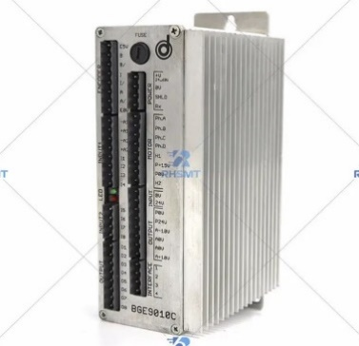 | Description | DEK TABLE DRIVER |  | Description
 | Part Number | 191103 |  | Part Number
 | Model |  |  | Model
 | Url | https://www.rhsmt.com/dek-table-driver-191103-product/ |  | Url
 | FIH Part |  |  | FIH Part

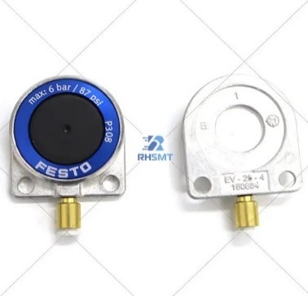 | Description | DEK Stencil Clamping |  | Description
 | Part Number | 190896 |  | Part Number
 | Model |  |  | Model
 | Url | https://www.rhsmt.com/dek-stencil-clamping-190896-product/ |  | Url
 | FIH Part |  |  | FIH Part

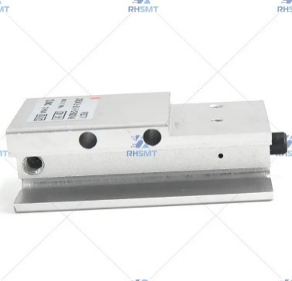 | Description | DEK STOPPER |  | Description
 | Part Number | 193377 |  | Part Number
 | Model |  |  | Model
 | Url | https://www.rhsmt.com/dek-stopper-193377-product/ |  | Url
 | FIH Part |  |  | FIH Part

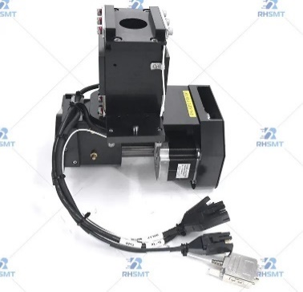 | Description | DEK Squeegee Head Assembly With Feedback |  | Description
 | Part Number | 03130177-01; 215640 |  | Part Number
 | Model |  |  | Model
 | Url | https://www.rhsmt.com/dek-squeegee-head-assembly-with-feedback-03130177-01-215640-product/ |  | Url
 | FIH Part |  |  | FIH Part

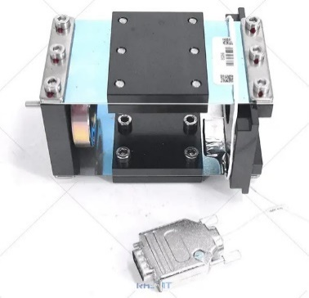 | Description | DEK Strain Gauge Force Fback |  | Description
 | Part Number | 03172840-01; 183452; 242830 |  | Part Number
 | Model |  |  | Model
 | Url | https://www.rhsmt.com/dek-strain-gauge-force-fback-18345224283003172840-01-product/ |  | Url
 | FIH Part |  |  | FIH Part

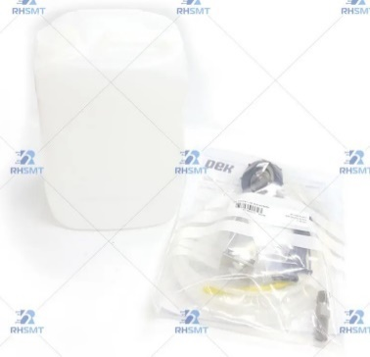 | Description | DEK USC SOLVENT LINE REPLACEMENT |  | Description
 | Part Number | 03128622-01 |  | Part Number
 | Model |  |  | Model
 | Url | https://www.rhsmt.com/dek-usc-solvent-line-replacement-03128622-01-product/ |  | Url
 | FIH Part |  |  | FIH Part

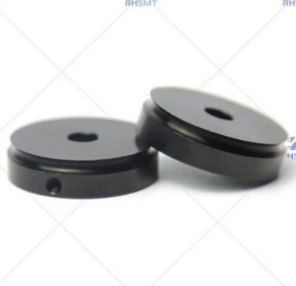 | Description | DEK PULLEY |  | Description
 | Part Number | 112284 |  | Part Number
 | Model |  |  | Model
 | Url | https://www.rhsmt.com/dek-pulley-112284-165028-product/ |  | Url
 | FIH Part |  |  | FIH Part

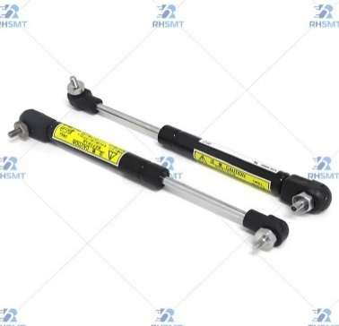 | Description | GAS SPRING |  | Description
 | Part Number | 186206 |  | Part Number
 | Model |  |  | Model
 | Url | https://www.rhsmt.com/dek-265-printer-gas-spring-186206-product/ |  | Url
 | FIH Part |  |  | FIH Part

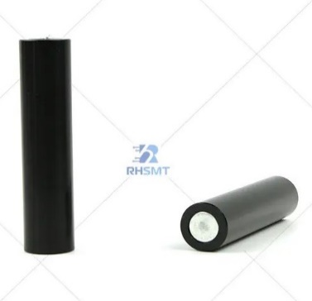 | Description | DEK Tooling Pin( 81mm, STD DIA) 107785 |  | Description
 | Part Number | 107785 |  | Part Number
 | Model |  |  | Model
 | Url | https://www.rhsmt.com/dek-tooling-pin-81mm-std-dia-107785-product/ |  | Url
 | FIH Part |  |  | FIH Part

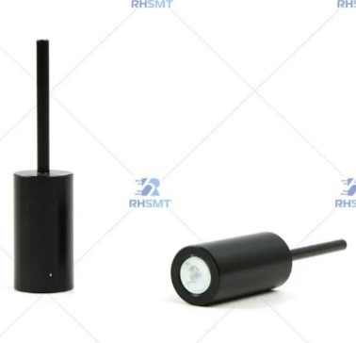 | Description | DEK Tooling Pin 112069 |  | Description
 | Part Number | 112069 |  | Part Number
 | Model |  |  | Model
 | Url | https://www.rhsmt.com/dek-tooling-pin-112069-product/ |  | Url
 | FIH Part |  |  | FIH Part

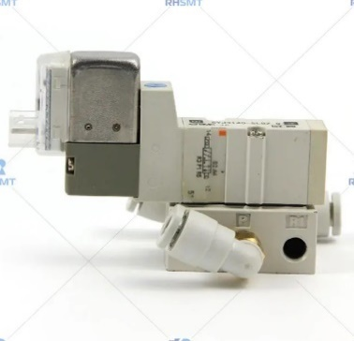 | Description | DEK Solenoide 165726 |  | Description
 | Part Number | 165726 |  | Part Number
 | Model |  |  | Model
 | Url | https://www.rhsmt.com/dek-solenoide-165726-product/ |  | Url
 | FIH Part |  |  | FIH Part

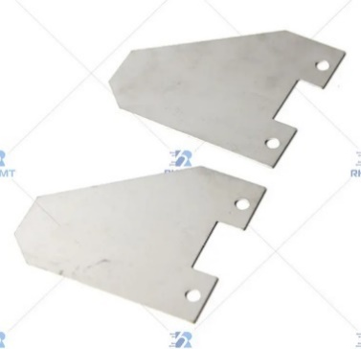
 | Description | DEK PLATE CLAMPING VULCANISED 175290 03131132 |  | Description
 | Part Number | 175290 |  | Part Number
 | Model |  |  | Model
 | Url | https://www.rhsmt.com/dek-plate-clamping-vulcanised-175290-03131132-product/ |  | Url
 | FIH Part |  |  | FIH Part

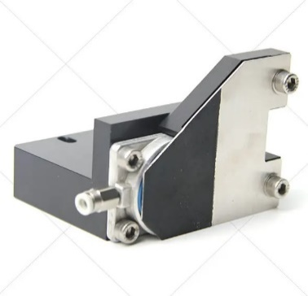 | Description | DEK BOM CHASE CLAMP VULCANISED 175288 03128638 |  | Description
 | Part Number | 175288 |  | Part Number
 | Model |  |  | Model
 | Url | https://www.rhsmt.com/dek-bom-chase-clamp-vulcanised-175288-03128638-product/ |  | Url
 | FIH Part |  |  | FIH Part

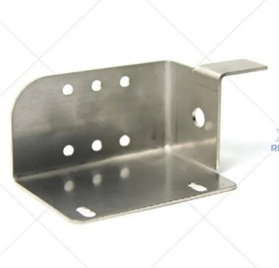 | Description | DEK BOM DRIP TRAY AND LOADER SP532 193128 03134628 |  | Description
 | Part Number | 193128 |  | Part Number
 | Model |  |  | Model
 | Url | https://www.rhsmt.com/dek-bom-drip-tray-and-loader-sp532-193128-03134628-product/ |  | Url
 | FIH Part |  |  | FIH Part

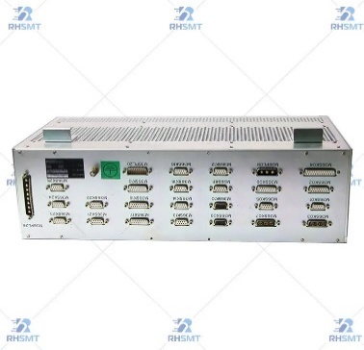 | Description | DEK BOM M36 ENCLOSURE 185271 03129822 |  | Description
 | Part Number | 185271 |  | Part Number
 | Model |  |  | Model
 | Url | https://www.rhsmt.com/dek-bom-m36-enclosure-185271-03129822-product/ |  | Url
 | FIH Part |  |  | FIH Part
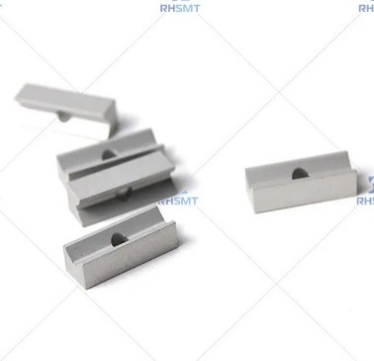
 | Description | DEK CLAMP CAMERA MOUNT 183282 03129783 |  | Description
 | Part Number | 183282 |  | Part Number
 | Model |  |  | Model
 | Url | https://www.rhsmt.com/dek-clamp-camera-mount-183282-03129783-product/ |  | Url
 | FIH Part |  |  | FIH Part

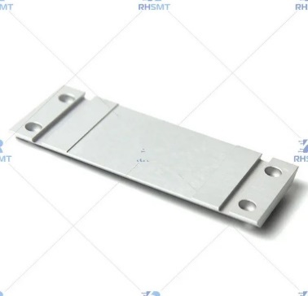 | Description | DEK PLATE ADAPTOR CAMERA 188772 03129909 |  | Description
 | Part Number | 188772 |  | Part Number
 | Model |  |  | Model
 | Url | https://www.rhsmt.com/dek-plate-adaptor-camera-188772-03129909-product/ |  | Url
 | FIH Part |  |  | FIH Part

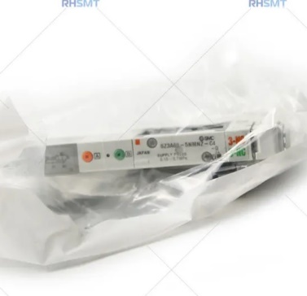 | Description | DEK VALVE – 188759 |  | Description
 | Part Number | 188759 |  | Part Number
 | Model |  |  | Model
 | Url | https://www.rhsmt.com/dek-valve-188759-product/ |  | Url
 | FIH Part |  |  | FIH Part

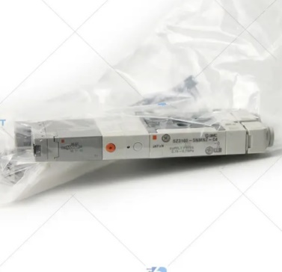 | Description | DEK VALVE – 188760 |  | Description
 | Part Number | 188760 |  | Part Number
 | Model |  |  | Model
 | Url | https://www.rhsmt.com/dek-valve-188760-product/ |  | Url
 | FIH Part |  |  | FIH Part

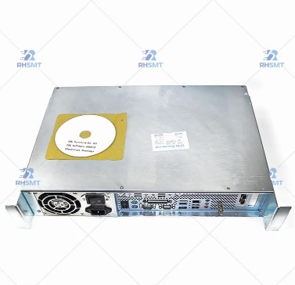 | Description | DEK 03ix Controller H81 200921 |  | Description
 | Part Number | 200921 |  | Part Number
 | Model |  |  | Model
 | Url | https://www.rhsmt.com/dek-03ix-controller-h81-200921-product/ |  | Url
 | FIH Part |  |  | FIH Part

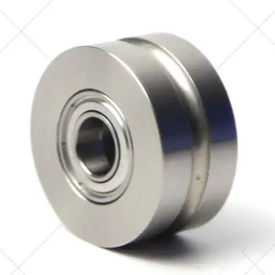 | Description | DEK BOM Assy Pulley Idler 175281 03133826 |  | Description
 | Part Number | 175281 |  | Part Number
 | Model |  |  | Model
 | Url | https://www.rhsmt.com/dek-bom-assy-pulley-idler-175281-03133826-product/ |  | Url
 | FIH Part |  |  | FIH Part

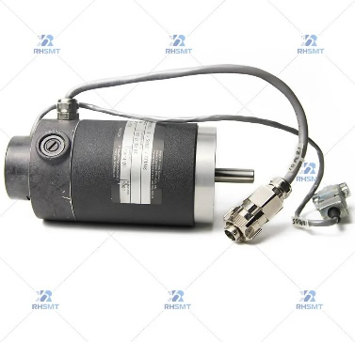 | Description | DEK Y AXIS MOTOR – 133128 |  | Description
 | Part Number | 133128 |  | Part Number
 | Model |  |  | Model
 | Url | https://www.rhsmt.com/dek-y-axis-motor-133128-product/ |  | Url
 | FIH Part |  |  | FIH Part

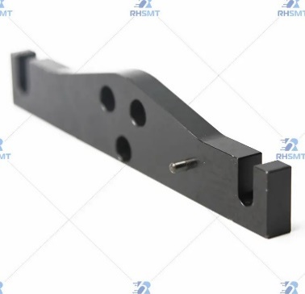 | Description | DEK FRONT SQUEEGEE FOOT – 156199 |  | Description
 | Part Number | 156199 |  | Part Number
 | Model |  |  | Model
 | Url | https://www.rhsmt.com/dek-front-squeegee-foot-156199-product/ |  | Url
 | FIH Part |  |  | FIH Part

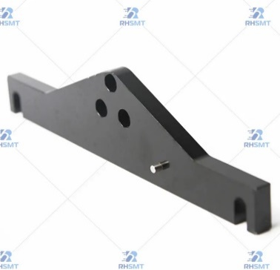 | Description | DEK REAR SQUEEGEE FOOT – 156200 |  | Description
 | Part Number | 156200 |  | Part Number
 | Model |  |  | Model
 | Url | https://www.rhsmt.com/dek-rear-squeegee-foot-156200-product/ |  | Url
 | FIH Part |  |  | FIH Part

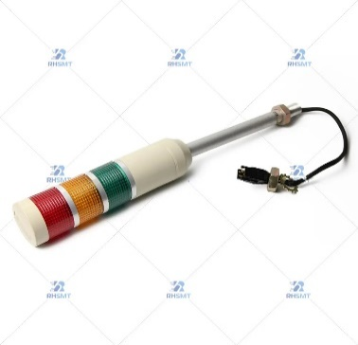 | Description | DEK Signal lights – 187100 / 163534 |  | Description
 | Part Number | 187100 |  | Part Number
 | Model |  |  | Model
 | Url | https://www.rhsmt.com/dek-signal-lights-187100-163534-product/ |  | Url
 | FIH Part |  |  | FIH Part

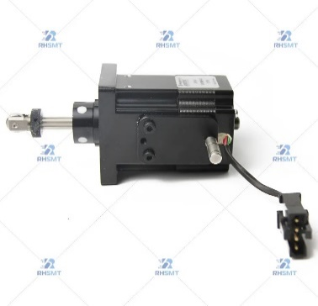 | Description | DEK MOTOR – 197147 |  | Description
 | Part Number | 197147 |  | Part Number
 | Model |  |  | Model
 | Url | https://www.rhsmt.com/dek-motor-197147-product/ |  | Url
 | FIH Part |  |  | FIH Part

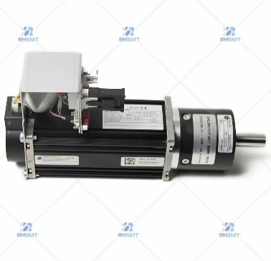 | Description | DEK MOTOR CAMERA Y BG65X50-CI 185003 |  | Description
 | Part Number | 185003 |  | Part Number
 | Model |  |  | Model
 | Url | https://www.rhsmt.com/dek-motor-camera-y-bg65x50-ci-185003-product/ |  | Url
 | FIH Part |  |  | FIH Part

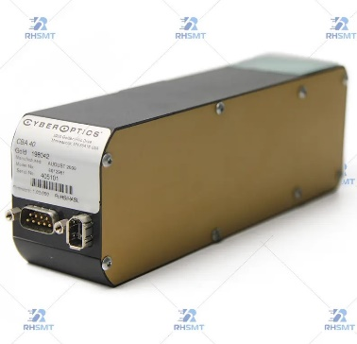 | Description | DEK CYBEROPTICS 8012981 CBA40 GOLD CAMERA – 198042 |  | Description
 | Part Number | 198042 |  | Part Number
 | Model |  |  | Model
 | Url | https://www.rhsmt.com/dek-cyberoptics-8012981-cba40-gold-camera-198042-product/ |  | Url
 | FIH Part |  |  | FIH Part

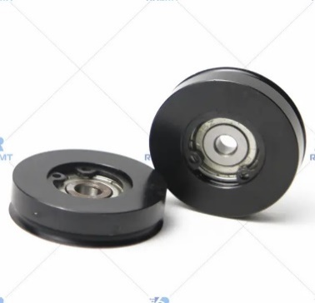 | Description | DEK PULLEY ROUND BELT – 158851 |  | Description
 | Part Number | 158851 |  | Part Number
 | Model |  |  | Model
 | Url | https://www.rhsmt.com/dek-pulley-round-belt-158851-product/ |  | Url
 | FIH Part |  |  | FIH Part

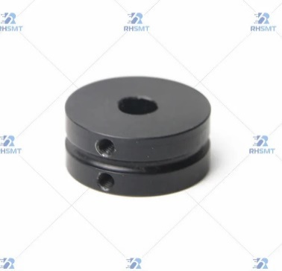 | Description | DEK PULLEY – 188320 |  | Description
 | Part Number | 188320 |  | Part Number
 | Model |  |  | Model
 | Url | https://www.rhsmt.com/dek-pulley-188320-product/ |  | Url
 | FIH Part |  |  | FIH Part

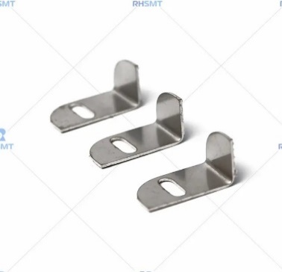 | Description | DEK POINTER SCREEN DEPTH ADJUSTER – 177091 |  | Description
 | Part Number | 177091 |  | Part Number
 | Model |  |  | Model
 | Url | https://www.rhsmt.com/dek-pointer-screen-depth-adjuster-177091-product/ |  | Url
 | FIH Part |  |  | FIH Part

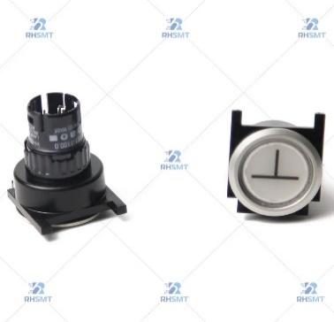 | Description | DEK ASSY SWITCH COMPLETE SYSTEM – 188476 188477 |  | Description
 | Part Number | 188476 |  | Part Number
 | Model |  |  | Model
 | Url | https://www.rhsmt.com/dek-assy-switch-complete-system-188476-188477-product/ |  | Url
 | FIH Part |  |  | FIH Part

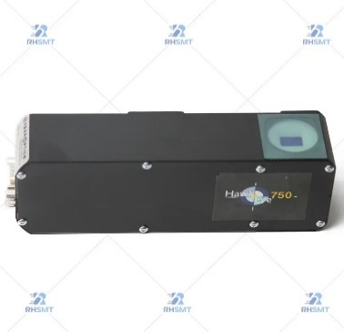 | Description | DEK HAWKEYE 750 camera 8012982 CBA40 – 198043 |  | Description
 | Part Number | 198043 |  | Part Number
 | Model |  |  | Model
 | Url | https://www.rhsmt.com/dek-hawkeye-750-camera-8012982-cba40-198043-product/ |  | Url
 | FIH Part |  |  | FIH Part

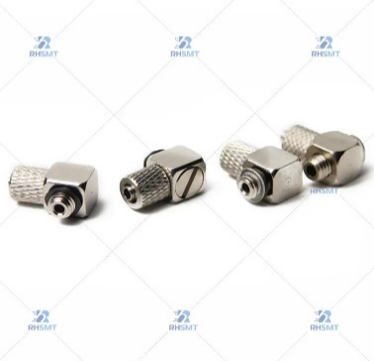 | Description | DEK ELBOW EE – 107265 |  | Description
 | Part Number | 107265 |  | Part Number
 | Model |  |  | Model
 | Url | https://www.rhsmt.com/dek-elbow-ee-107265-product/ |  | Url
 | FIH Part |  |  | FIH Part

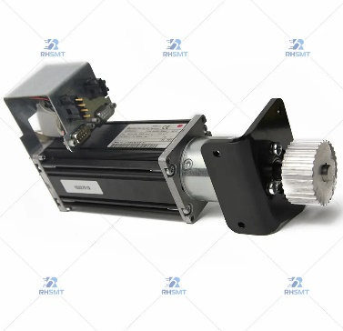 | Description | DEK MOTOR – 188962 |  | Description
 | Part Number | 188962 |  | Part Number
 | Model |  |  | Model
 | Url | https://www.rhsmt.com/dek-motor-188962-product/ |  | Url
 | FIH Part |  |  | FIH Part

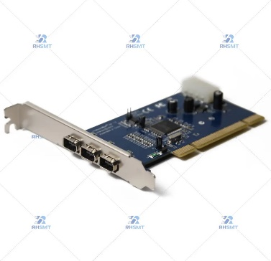 | Description | DEK BOARD – 191015 |  | Description
 | Part Number | 191015 |  | Part Number
 | Model |  |  | Model
 | Url | https://www.rhsmt.com/dek-board-191015-product/ |  | Url
 | FIH Part |  |  | FIH Part

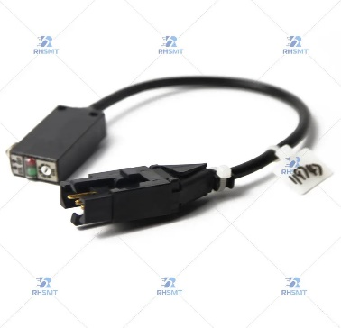 | Description | DEK BOARD AT LEFT OPTO LOOM – 119747 |  | Description
 | Part Number | 119747 |  | Part Number
 | Model |  |  | Model
 | Url | https://www.rhsmt.com/dek-board-at-left-opto-loom-119747-product/ |  | Url
 | FIH Part |  |  | FIH Part

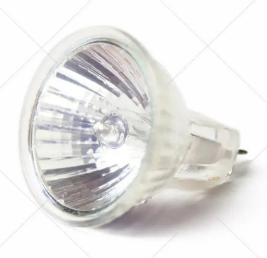 | Description | DEK LIGHT – 188232 |  | Description
 | Part Number | 188232 |  | Part Number
 | Model |  |  | Model
 | Url | https://www.rhsmt.com/dek-light-188232-product/ |  | Url
 | FIH Part |  |  | FIH Part

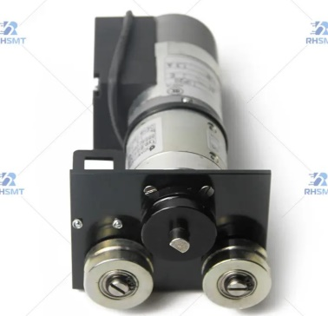 | Description | DEK BO LLM BELT MOTOR – 185009 |  | Description
 | Part Number | 185009 |  | Part Number
 | Model |  |  | Model
 | Url | https://www.rhsmt.com/dek-bo-llm-belt-motor-185009-product/ |  | Url
 | FIH Part |  |  | FIH Part

